Лист1
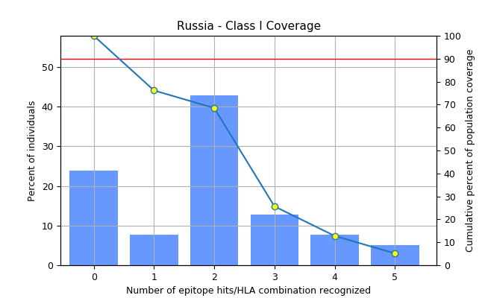
MHC class | Coverage | Average hit | PC90
I | 76.17% | 1.88 | 0.42

